Cyclone calculation tool
DO NOT USE THIS METHOD FOR DETAIL DESIGN – ALWAYS CONSULT A REPUTABLE SUPPLIER FOR DETAIL DESIGN

Cyclone design tool |  | To modify | Calculated

 | Dust stream to separate |  |  |  |  | Control panel
 | Gas flowrate | Vc | 20 | m3/h |  | Cyclone diameter Dc (m)
 | Dust load |  | 50 | g/m3 |  | 0.1 | m
 | Gas viscosty | μc | 8.00E-03 | Pa.s |  | Please modify the cyclone diameter until cut off diameter reaches target and low pressure drop
 | Gas density |  | 1100 | kg/m3 |  | Cut off diameter (microns)
 | Solid density |  | 2600 | kg/m3 |  | 75.3 | microns
 |  |  |  |  |  | Pressure drop
 |  |  |  |  |  | 67748.2 | Pa

 | Selection of Standard Geometry
 | Please select one standard geometry and copy past the values in the «chosen geometry» table
 |  | Standard Geometries for cyclones with tangential inlet
 |  | Standard |  |  | High efficiency
 | Dimensions | Lapple | Swift | Peterson Whitby | Stairmand | Swift
 | Hc/Dc = KH | 0.5 | 0.5 | 0.583 | 0.5 | 0.44
 | Bc/Dc = KB | 0.25 | 0.25 | 0.208 | 0.2 | 0.21
 | Sc/Dc = KS | 0.625 | 0.6 | 0.583 | 0.5 | 0.5
 | Di/Dc = Ki | 0.5 | 0.5 | 0.5 | 0.5 | 0.4
 | Lc/Dc = KL | 2 | 1.75 | 1.333 | 1.5 | 1.4
 | Zc/Dc = KZ | 2 | 2 | 1.84 | 2.5 | 2.5
 | DS/Dc = KD | 0.25 | 0.4 | 0.5 | 0.375 | 0.4

 | Calculation of the dimensions of the cyclone

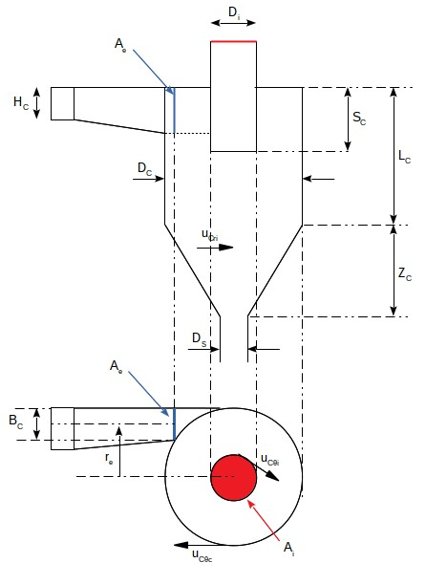
 |  |  |  |  |  |  | Chosen geometry
 |  |  |  |  |  |  | Dimensions | Copy paste the standard geometry chosen from the table above
 |  |  |  |  |  |  | Hc/Dc = KH | 0.5
 |  |  |  |  |  |  | Bc/Dc = KB | 0.2
 |  |  |  |  |  |  | Sc/Dc = KS | 0.5
 |  |  |  |  |  |  | Di/Dc = Ki | 0.5
 |  |  |  |  |  |  | Lc/Dc = KL | 1.5
 |  |  |  |  |  |  | Zc/Dc = KZ | 2.5
 |  |  |  |  |  |  | DS/Dc = KD | 0.375

 |  |  |  |  |  |  | Estimate Dc
 |  |  |  |  |  |  | Dc | 0.1 | m

 |  |  |  |  |  |  | Calculation of the other dimensions

 |  |  |  |  |  |  | Hc | 0.1 | m
 |  |  |  |  |  |  | Bc | 0.0 | m
 |  |  |  |  |  |  | Sc | 0.1 | m
 |  |  |  |  |  |  | Di | 0.1 | m
 |  |  |  |  |  |  | Lc | 0.2 | m
 |  |  |  |  |  |  | Zc | 0.3 | m
 |  |  |  |  |  |  | DS | 0.0 | m

 |  |  |  |  |  |  | Geometrical ratio calculations

 |  |  |  |  |  |  | Ae/Ai | 0.5
 |  |  |  |  |  |  | Ri/re | 0.6
 |  |  |  |  |  |  | Ae/Ai*Ri/re | 0.3
 |  |  |  |  |  |  | Af/Ai | 61.0

 |  |  |  |  |  |  | Inlet and outlet velocities

 |  |  |  |  |  |  | Uce | 5.6 | m/s
 |  |  |  |  |  |  | Uci | 2.8

 |  |  |  |  |  |  | Striction and friction coefficient

 |  |  |  |  |  |  | Ce | 0.8
 |  |  |  |  |  |  | Ucc/Uce | 1.2
 |  |  |  |  |  |  | Rec | 94611.0
 |  |  |  |  |  |  | Cf | 0.0

 |  |  |  |  |  |  | Characteristic velocities

 |  |  |  |  |  |  | Ucri | 0.1 | m/s
 |  |  |  |  |  |  | Uctetai/Uci | 2.2 | m/s
 |  |  |  |  |  |  | Uctetai | 6.2 | m/s

 |  |  |  |  |  |  | Cut off diameter
 |  |  |  |  |  |  | dc | 0.0 | m
 |  |  |  |  |  |  |  | 0.1 | mm
 |  |  |  |  |  |  |  | 75.3 | microns

 |  |  |  |  |  |  | Pressure drop
 |  |  |  |  |  |  | Af/PiRi(RCRi)^0.5 | 43.1
 |  |  |  |  |  |  | Rc | 0.1
 |  |  |  |  |  |  | Ri/re | 0.0
 |  |  |  |  |  |  | ksice | 3.9
 |  |  |  |  |  |  | ksici | 11.5
 |  |  |  |  |  |  | DPC | 67748.2 | Pa

 | If you spot a mistake or wish to suggest an improvement, please contact powder.process@protonmail.com

 | Copyright www.PowderProcess.net

 | The content of PowderProcess.net is copyrighted but no warranty nor liability is ensured. The content of this site is to be seen as a help and important information and calculation must always be double checked by the user through the quality procedure of his organization or by checking another source. The user must always respect all applicable regulation. The use of the information is at the user and its organization own risk and own cost.

Sheet1
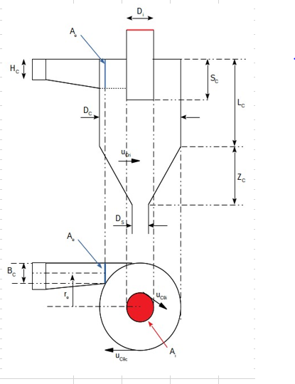

Hc | 0.05 | 50 | mm
Bc | 0.02 | 20 | mm
Sc | 0.05 | 50 | mm
Di | 0.05 | 50 | mm
Lc | 0.15 | 150 | mm
Zc | 0.25 | 250 | mm
DS | 0.0375 | 37.5 | mm

